Worksheet
 |  |  |  |  |  |  |  |  |  |  | 1991
IMAGE | SKU | BRAND | PRODUCT | GROUP | SEASON | GENDER | COLOR | COMPOSITION | MADE_IN_CODE | RETAIL PRICE | TOT.QTY | TU | 70 | 75 | XXS | XS | S | M | L | XL | XXL | 1 | 34 | 35 | 36 | 37 | 37.5 | 38 | 38.5 | 39 | 39.5 | 40 | 42 | 44 | 46 | 48 | 50 | 52 | 54 | 80 | 85 | 90 | 95 | 100 | 105 | 110
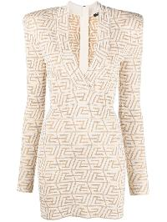 | AF1R8050KD84_IDR | Balmain | DRESS | Clothing | SS | W | IDR OR/NATUREL | 65%VI 35%PA | IT | € 1990.00 | 1 |  |  |  |  |  |  |  |  |  |  |  |  |  | 1
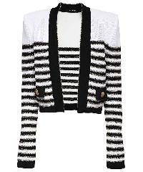 | AF1SK020KD73_GIU | Balmain | JACKET | Clothing | SS | W | GIU BLANC/NOIR/OR | 97%VI 3%MZ | FR | € 1990.00 | 1 |  |  |  |  |  |  |  |  |  |  |  |  |  |  |  |  | 1
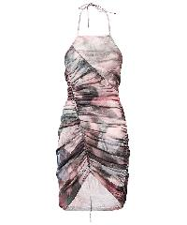 | AF0R3175JG02_AAY | Balmain | Asymmetric hem midi dress | Clothing | FW | Female | multicolor | 100% PA | PT | € 1790.00 | 2 |  |  |  |  |  |  |  |  |  |  |  | 1 |  |  |  |  | 1
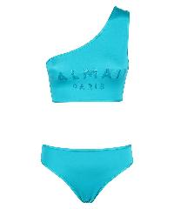 | BKBBB0630_440 | Balmain | Bandeau bra bikini | Clothing | SS | Female | turchese | 80% PA 20% EA | IT | € 299.00 | 1 |  |  |  |  |  |  |  |  |  |  |  | 1
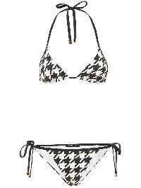 | BKB871240_110 | Balmain | Bikini with triangle top | Clothing | SS | Female | nero | 80% PA 20% EA | IT | € 390.00 | 2 |  |  |  |  |  |  |  |  |  |  |  |  |  |  |  |  | 1 |  |  |  |  | 1
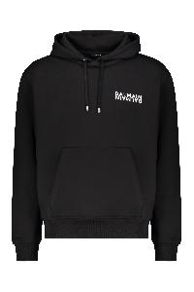 | GH6JR090BB04_EAB | Balmain | Black casual and modern hoodie | Clothing | SS | Male | nero | 100% CO|95% CO 5% EA | PT | € 750.00 | 65 |  |  |  |  |  | 8 | 18 | 15 | 16 | 8
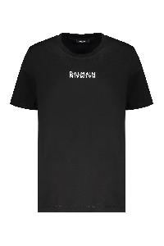 | GF6EF000BB04_EAB | Balmain | Black cotton T-shirt | Clothing | SS | Female | nero | 100% CO | PT | € 350.00 | 16 |  |  |  |  | 1 | 10 | 5
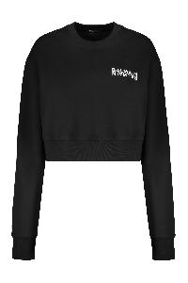 | GF6JO080BB04_EAB | Balmain | Black cropped sweatshirt with logo, casual style | Clothing | SS | Female | nero | 100% CO|95% CO 5% EA | PT | € 590.00 | 41 |  |  |  |  | 9 | 7 | 16 | 9
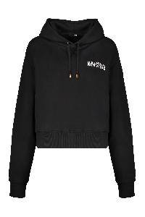 | GF6JR030BB04_EAB | Balmain | Black hoodie with logo | Clothing | SS | Female | nero | 100% CO|95% CO 5% EA | PT | € 750.00 | 26 |  |  |  |  | 4 | 8 | 5 | 5 | 4
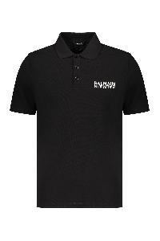 | GH6GC026BB04_EAB | Balmain | Black polo short sleeves, versatile elegant style | Clothing | SS | Male | nero | 100% CO|98% CO 2% EA | PT | € 590.00 | 35 |  |  |  |  |  | 4 | 5 | 15 | 9 | 2
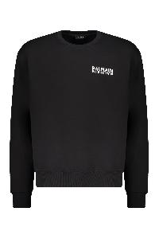 | GH6JQ125BB04_EAB | Balmain | Black sweatshirt in cotton | Clothing | SS | Male | nero | 100% CO|95% CO 5% EA | PT | € 590.00 | 30 |  |  |  |  |  | 3 | 7 | 11 | 7 | 2
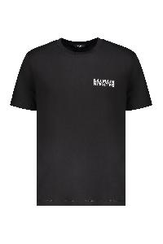 | EH6EG000BB04_EAB | Balmain | Black T-shirt with logo | Clothing | SS | Male | nero | 100%CO | PT | € 395.00 | 175 |  |  |  |  |  | 27 | 34 | 53 | 34 | 27
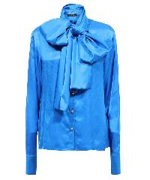 | BF0HU127VD97_6KH | Balmain | Bow blouse | Clothing | FW | Female | blu | 100% VI | PL | € 1250.00 | 1 |  |  |  |  |  |  |  |  |  |  |  |  |  | 1
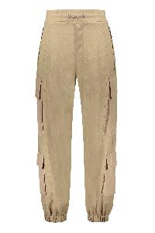 | AH1PJ070MC32_0AV | Balmain | Cargo trousers | Clothing | SS | M | beige | 76%VI 24%LI | BG | € 1250.00 | 4 |  |  |  |  |  |  |  |  |  |  |  |  |  |  |  |  |  |  |  |  |  |  | 1 | 1 |  |  | 1 | 1
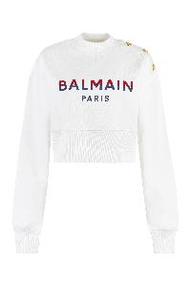 | BF1JO040BC46_GPY | Balmain | Cotton crew-neck sweatshirt | Clothing | FW | Female | bianco | 100% CO | PT | € 725.00 | 1 |  |  |  |  |  | 1
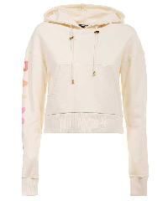 | YF0JP010BB80_GJH | Balmain | Cotton hoodie | Clothing | FW | Female | avorio | 95% CO 5% EA | PT | € 790.00 | 1 |  |  |  |  |  |  | 1
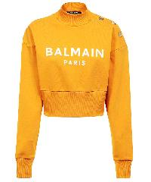 | AF1JO040BB02_KBJ | Balmain | Cotton sweatshirt | Clothing | SS | Female | arancione | 100% CO | PT | € 725.00 | 1 |  |  |  | 1
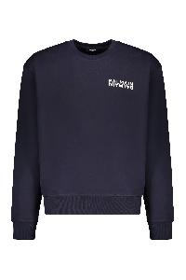 | GH6JQ125BB04_SDQ | Balmain | Cotton sweatshirt | Clothing | SS | Male | blu | 100% CO|95% CO 5% EA | PT | € 590.00 | 40 |  |  |  |  |  | 5 | 10 | 10 | 10 | 5
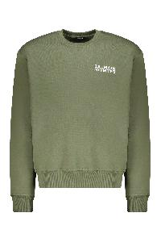 | GH6JQ125BB04_UDK | Balmain | Cotton sweatshirt with logo | Clothing | SS | Male | verde | 100% CO|95% CO 5% EA | PT | € 590.00 | 27 |  |  |  |  |  | 4 | 7 | 7 | 7 | 2
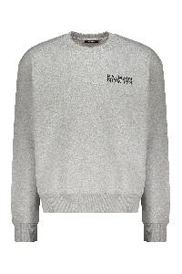 | GH6JQ125BB04_YEQ | Balmain | Cotton sweatshirt with logo | Clothing | SS | Male | grigio | 100% CO|95% CO 5% EA | PT | € 590.00 | 40 |  |  |  |  |  | 4 | 9 | 17 | 7 | 3
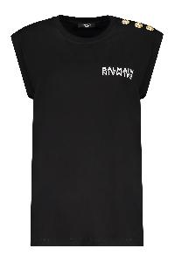 | EF6ED002BB04_EAB | Balmain | Cotton T-shirt with logo | Clothing | SS | Female | nero | 100%CO | PT | € 395.00 | 48 |  |  |  |  | 7 | 15 | 17 | 9
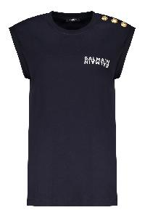 | EF6ED002BB04_SDQ | Balmain | Cotton T-shirt with logo | Clothing | SS | Female | blu | 100%CO | PT | € 395.00 | 59 |  |  |  |  | 10 | 19 | 20 | 10
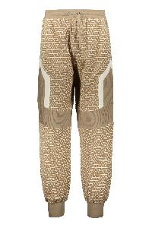 | AH1OB216JF36_GLU | Balmain | Cotton track-pants | Clothing | SS | M | kaki | 92%VI 5%PA 3%EA | BG | € 1490.00 | 2 |  |  |  |  |  | 1 |  | 1
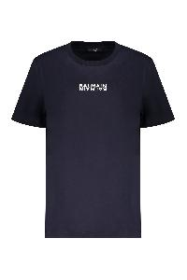 | GF6EF000BB04_SDQ | Balmain | Dark blue cotton T-shirt | Clothing | SS | Female | blu | 100% CO | PT | € 350.00 | 23 |  |  |  |  | 7 |  | 16
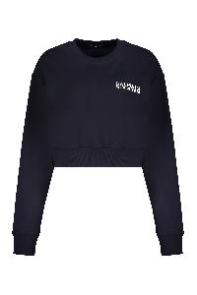 | GF6JO080BB04_SDQ | Balmain | Dark blue crop sweatshirt with logo | Clothing | SS | Female | blu | 100% CO|95% CO 5% EA | PT | € 590.00 | 33 |  |  |  |  | 10 | 14 | 6 | 3
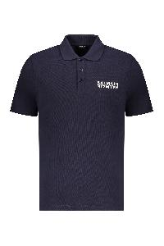 | GH6GC026BB04_SDQ | Balmain | Dark blue short-sleeve polo | Clothing | SS | Male | blu | 100%ORGANIC CO | PT | € 590.00 | 60 |  |  |  |  |  | 9 | 19 | 17 | 7 | 8
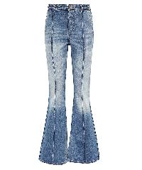 | BF1MJ075DD64_6FF | Balmain | Denim flared pants | Clothing | FW | Female | denim | 100% CO | IT | € 1190.00 | 1 |  |  |  |  |  |  |  |  |  |  |  |  |  |  |  |  |  |  |  |  | 1
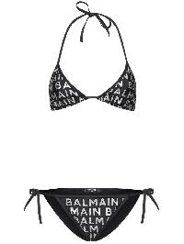 | BKB901590_13 | Balmain | Elegant black bikini with triangle top and slip | Clothing | FW | Female | nero | 78% PA 22% EA | IT | € 425.00 | 10 |  |  |  |  |  |  |  |  |  |  |  | 1 |  | 4 |  |  | 1 |  |  |  | 1 | 1 |  | 2
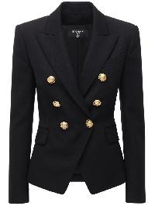 | BF1SG008WC09_0PA | Balmain | Elegant black blazer with gold buttons | Clothing | FW | Female | nero | 100% WV | SK | € 2090.00 | 34 |  |  |  |  |  |  |  |  |  |  |  | 17 |  | 17
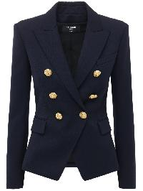 | BF1SG008WB08_6UC | Balmain | Elegant dark blue double-breasted blazer | Clothing | FW | Female | blu | 100% WO | SK | € 1896.00 | 6 |  |  |  |  |  |  |  |  |  |  |  | 6
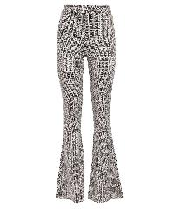 | BF1OB115JG66_GFE | Balmain | Flared trousers | Clothing | SS | Female | beige | 51% VI 48% PL 1% EA | PT | € 990.00 | 2 |  |  |  |  | 1 |  |  | 1
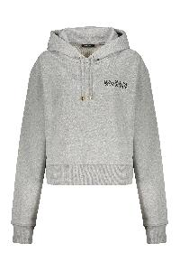 | GF6JR030BB04_YEQ | Balmain | Gray hoodie with logo | Clothing | SS | Female | grigio | 100% CO|95% CO 5% EA | PT | € 750.00 | 32 |  |  |  |  | 4 | 7 | 7 | 9 | 5
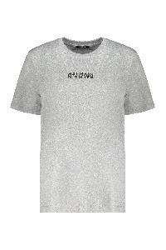 | GF6EF000BB04_YEQ | Balmain | Gray T-shirt with logo | Clothing | SS | Female | grigio | 100% CO | PT | € 350.00 | 38 |  |  |  |  | 8 | 12 | 12 | 6
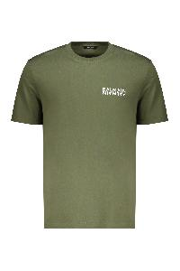 | EH6EG000BB04_UDK | Balmain | Green cotton t-shirt | Clothing | SS | Male | verde | 100%CO | PT | € 395.00 | 45 |  |  |  |  |  | 5 | 10 | 15 | 10 | 5
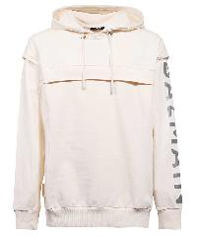 | YH0JT145BB94_GJC | Balmain | Hooded sweatshirt | Clothing | FW | M | beige | 100%CO | PT | € 1190.00 | 1 |  |  |  |  |  | 1
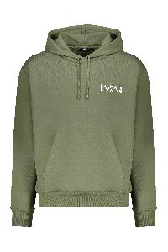 | GH6JR090BB04_UDK | Balmain | Hooded sweatshirt olive green | Clothing | SS | Male | verde | 100% CO|95% CO 5% EA | PT | € 750.00 | 70 |  |  |  |  |  | 9 | 19 | 17 | 17 | 8
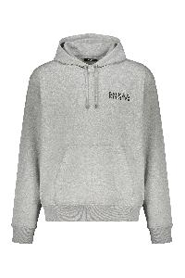 | GH6JR090BB04_YEQ | Balmain | Hoodie | Clothing | SS | Male | grigio | 100% CO|95% CO 5% EA | PT | € 750.00 | 67 |  |  |  |  |  | 8 | 18 | 16 | 17 | 8
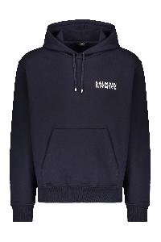 | GH6JR090BB04_SDQ | Balmain | Hoodie | Clothing | SS | Male | blu | 100% CO|95% CO 5% EA | PT | € 750.00 | 79 |  |  |  |  |  | 10 | 19 | 20 | 20 | 10
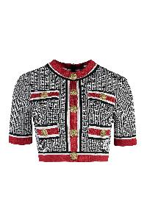 | BF1AI115KE89_EJC | Balmain | Jacquard crop top | Clothing | FW | Female | bianco | 88% VI 10% PL 2% PA | FR | € 1490.00 | 2 |  |  |  |  |  |  |  |  |  |  |  |  |  | 1 |  |  | 1
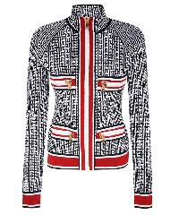 | BF1SK028KE89_EJC | Balmain | Jacquard knit jacket | Clothing | FW | Female | nero | 86% VI 8% PBT 6% PA | FR | € 2290.00 | 2 |  |  |  |  |  |  |  |  |  |  |  |  |  | 1 |  |  | 1
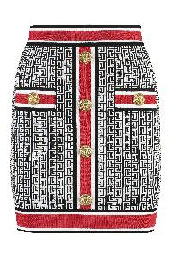 | BF1LB292KE89_EJC | Balmain | Jacquard knit skirt | Clothing | FW | Female | bianco | 88% VI 10% PL 2% PA | FR | € 1390.00 | 1 |  |  |  |  |  |  |  |  |  |  |  |  |  | 1
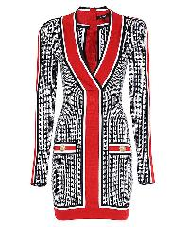 | BF1R8562KE89_EJC | Balmain | Knitted dress | Clothing | FW | Female | multicolor | 88% VI 10% PL 2% PA | FR | € 2490.00 | 1 |  |  |  |  |  |  |  |  |  |  |  |  |  | 1
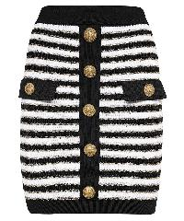 | AF1LB290KD73_EDC | Balmain | Knitted mini skirt | Clothing | FW | Female |  | 97% VI 3% MZ | FR | € 1190.00 | 2 |  |  |  |  |  |  |  |  |  |  |  |  |  | 1 |  |  | 1
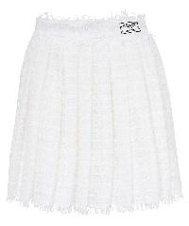 | AF2LB855XF44_0FA | Balmain | Knitted mini skirt | Clothing | FW | Female | bianco | 70% PA 23% CO 4% PA 3% VI | PL | € 1490.00 | 3 |  |  |  |  |  |  |  |  |  |  |  | 1 |  | 1 |  |  | 1
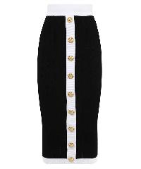 | BF1LD066KF01_EAB | Balmain | Knitted skirt | Clothing | SS | Female | nero | 83% VI 17% PL | IT | € 1490.00 | 2 |  |  |  |  |  |  |  |  |  |  |  |  |  |  |  |  | 1 |  |  |  | 1
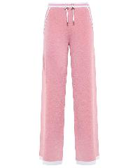 | AF2PQ031KB41_ODE | Balmain | Knitted trousers | Clothing | FW | Female | rosa | 100% VI | FR | € 1390.00 | 1 |  |  |  |  |  |  |  |  |  |  |  |  |  |  |  |  | 1
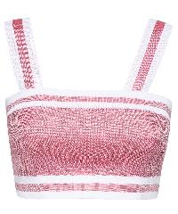 | AF2AA001KB41_ODE | Balmain | Knitted viscosa-blend top | Clothing | FW | Female | rosa | 100% VI | FR | € 790.00 | 3 |  |  |  |  |  |  |  |  |  |  |  | 1 |  | 1 |  |  | 1
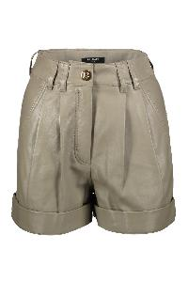 | AF1QA011LB24_7CA | Balmain | Leather shorts | Clothing | SS | W | kaki | 100%LAMB SKIN | TR | € 2090.00 | 2 |  |  |  |  |  |  |  |  |  |  |  | 1 |  | 1
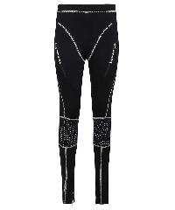 | YF1PD034JD58_0PA | Balmain | Leggings | Clothing | FW | Female | nero | 95% CO 5% EA | PT | € 790.00 | 1 |  |  |  |  | 1
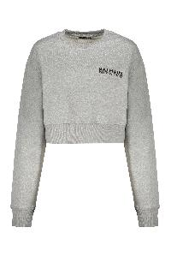 | GF6JO080BB04_YEQ | Balmain | Modern gray crop hoodie and comfortable | Clothing | SS | Female | grigio | 100% CO|95% CO 5% EA | PT | € 590.00 | 23 |  |  |  |  | 8 | 11 | 1 | 3
 | GH6GC026BB04_UDK | Balmain | Olive green polo with short sleeves | Clothing | SS | Male | verde | 100% CO|98% CO 2% EA | PT | € 590.00 | 90 |  |  |  |  |  | 10 | 20 | 30 | 20 | 10
 | BKBG71450_600 | Balmain | One-piece swimsuit | Clothing | SS | Female | rosso | 84% PL 16% EA | IT | € 420.00 | 1 |  |  |  |  |  |  |  |  |  |  |  | 1
 | BKBGA1220_110 | Balmain | One-piece swimsuit with logo | Clothing | FW | Female | nero | 80% PA 20% EA | IT | € 425.00 | 11 |  |  |  |  |  |  |  |  |  |  |  | 2 |  | 4 |  |  | 3 |  |  |  | 2
 | BKBKL1550_1 | Balmain | One-shoulder swimsuit | Clothing | FW | Female | nero | 80% PA 20% EA | IT | € 1030.00 | 1 |  |  |  |  |  |  |  |  |  |  |  | 1
 | BKB901590_681 | Balmain | Pink bikini with logo and ties | Clothing | FW | Female | rosa | 78% PA 22% EA | IT | € 425.00 | 2 |  |  |  |  |  |  |  |  |  |  |  |  |  |  |  |  |  |  |  |  | 1 | 1
 | BF1HU125XG35_SIK | Balmain | Print blouse | Clothing | FW | Female | blu | 100% PL | IT | € 1090.00 | 1 |  |  |  |  |  |  |  |  |  |  |  |  |  | 1
 | AF1R9130VC81_GLU | Balmain | Printed dress | Clothing | FW | W | kaki | 71% VI 29% TN | MG | € 1990.00 | 3 |  |  |  |  |  |  |  |  |  |  |  | 1 |  | 1 |  |  | 1
 | BF0LD315VD98_WFP | Balmain | Printed skirt | Clothing | SS | Female | marrone | 100% PL | IT | € 1990.00 | 1 |  |  |  |  |  |  |  |  |  |  |  |  |  |  |  |  | 1
 | EH6EG000BB04_SDQ | Balmain | Short sleeve cotton t-shirt | Clothing | SS | Male | blu | 100%CO | PT | € 395.00 | 28 |  |  |  |  |  | 3 | 7 | 11 | 5 | 2
 | BF1AT070SC76_GFE | Balmain | Silk blouse | Clothing | FW | Female | nero | 100% SE | IT | € 1390.00 | 1 |  |  |  |  |  |  |  |  |  |  | 1
 | AF0SE008HB18_SBI | Balmain | Single-breasted blazer | Clothing | FW | Female | multicolor | 100% LI | SK | € 3490.00 | 1 |  |  |  |  |  |  |  |  |  |  |  |  |  | 1
 | YF1AR151JD58_0PA | Balmain | Techno fabric top | Clothing | FW | Female | nero | 95% CO 5% EA | PT | € 690.00 | 1 |  |  |  |  | 1
 | FH6OB340BD26_EAB | Balmain | Track pants in cotton | Clothing | FW | Male | nero | 100% CO|95% CO 5% EA | PT | € 750.00 | 33 |  |  |  |  |  | 2 | 7 | 15 | 6 | 3
 | FH6OB340BD26_YEQ | Balmain | Track pants in cotton | Clothing | FW | Male | grigio | 100% CO|95% CO 5% EA | PT | € 750.00 | 36 |  |  |  |  |  | 2 | 8 | 16 | 7 | 3
 | FH6OB340BD26_SDQ | Balmain | Track pants in cotton | Clothing | FW | Male | blu | 100% CO|95% CO 5% EA | PT | € 750.00 | 50 |  |  |  |  |  | 5 | 10 | 20 | 10 | 5
 | BKB800690_440 | Balmain | Triangle bra bikini | Clothing | SS | Female | azzurro | 80% PA 20% EA | IT | € 389.00 | 1 |  |  |  |  |  |  |  |  |  |  |  |  |  |  |  |  | 1
 | BKB871340_003 | Balmain | Triangle bra bikini | Clothing | SS | Female | nero | 80% PA 20% EA | IT | € 420.00 | 1 |  |  |  |  |  |  |  |  |  |  |  |  |  |  |  |  |  |  |  |  | 1
 | BKB901200_012 | Balmain | Triangle bra bikini | Clothing | SS | Female | nero | 80% PA 20% EA | IT | € 390.00 | 1 |  |  |  |  |  |  |  |  |  |  |  |  |  |  |  |  | 1
 | AF0BA185JG06_SHJ | Balmain | Tulle bodysuit | Clothing | FW | Female | multicolor | 95% PL 5% EA | PT | € 690.00 | 1 |  |  |  |  | 1
 | BH0PQ261JH35_WFP | Balmain | Velvet pajama pants | Clothing | FW | M | marrone | 95%PL 5%EA | FR | € 1190.00 | 3 |  |  |  |  |  |  |  |  |  |  |  |  |  |  |  |  |  |  |  |  |  |  |  |  | 1 | 1 | 1
 | BF0PP127VB44_0PA | Balmain | Velvet trousers | Clothing | SS | Female | nero | 82% VI 18% SE | SK | € 1190.00 | 2 |  |  |  |  |  |  |  |  |  |  |  |  |  | 1 |  |  | 1
 | BH0PM035WB02_6UB | Balmain | Virgin wool trousers | Clothing | FW | M | blu | 100%WV | SK | € 1190.00 | 3 |  |  |  |  |  |  |  |  |  |  |  |  |  |  |  |  |  |  |  |  |  |  |  |  | 1 | 1 | 1
 | AF2R3052KB41_EAB | Balmain | Viscose dress | Clothing | FW | Female | nero | 100% VI | FR | € 1790.00 | 1 |  |  |  |  |  |  |  |  |  |  |  | 1
 | EH6EG000BB04_GAB | Balmain | White comfortable t-shirt with casual logo | Clothing | SS | Male | bianco | 100%CO | PT | € 395.00 | 175 |  |  |  |  |  | 27 | 34 | 53 | 34 | 27
 | GH6GC026BB04_GAB | Balmain | White cotton polo | Clothing | SS | Male | bianco | 100% CO|98% CO 2% EA | PT | € 590.00 | 21 |  |  |  |  |  | 5 | 7 | 5 |  | 4
 | EF6ED002BB04_GAB | Balmain | white T-shirt with short sleeves | Clothing | SS | Female | bianco | 100%CO | PT | € 395.00 | 46 |  |  |  |  | 6 | 15 | 16 | 9
 | S8FM110PGLX_176 | Balmain | Decorative leather tassel | Accessories | SS | WOMAN | nero | 100%LE - BOS TAURUS | IT | € 325.00 | 2 | 2
 | FN6WJ000LSPY_0PA | Balmain | Elegant black leather belt | Accessories | FW | Female | nero | 100% CALF LE | IT | € 370.00 | 10 |  | 2 | 4 |  |  |  |  |  |  |  |  |  |  |  |  |  |  |  |  |  |  |  |  |  |  |  |  |  | 2 | 2
 | FM6WJ000LSPY_0PA | Balmain | Elegant black leather belt | Accessories | FW | Male | nero | 100% CALF LE | IT | € 490.00 | 36 |  |  |  |  |  |  |  |  |  |  |  |  |  |  |  |  |  |  |  |  |  |  |  |  |  |  |  |  |  |  | 5 | 9 | 8 | 10 | 4
 | FN6WJ002LSPY_0PA | Balmain | Elegant black leather belt with gold buckle | Accessories | FW | Female | nero | 100% CALF LE | IT | € 470.00 | 29 |  |  | 5 |  |  |  |  |  |  |  |  |  |  |  |  |  |  |  |  |  |  |  |  |  |  |  |  |  | 10 | 10 | 4
 | FN6MC075LVPT_0PA | Balmain | Elegant black leather card holder | Accessories | FW | Female | nero | 100%CALF LE | IT | € 230.00 | 35 | 35
 | TN1M004PSIC_0PA | Balmain | iPhone case | Accessories | SS | WOMAN | nero | 100%PVC | CN | € 75.00 | 94 | 94
 | EH6XC030KC65_EDK | Balmain | Knitted hat in black color | Accessories | SS | Male | nero | 100%WM | FR | € 350.00 | 13 | 13
 | SN4L001LLEA_0FA | Balmain | Leather laces | Accessories | FW | WOMAN | bianco | 100%LE - BOS TAURUS | CN | € 70.00 | 12 | 12
 | EH6XG020KC65_EDK | Balmain | Ribbed knit scarf | Accessories | SS | Male | nero | 100%WM | FR | € 550.00 | 19 | 19
 | FN6BB720TCOU_EAB | Balmain | Elegant black shoulder bag | Bags | SS | Female | nero | 100% CO|100% LAMB LE | IT | € 790.00 | 2 | 2
 | FN6BB720TCFN_GEM | Balmain | Elegant shoulder bag | Bags | SS | Female | avorio | 58% CO 42% LI|100% CO|100% LAMB LE | IT | € 790.00 | 11 | 11
 | VN0BK607TJGH_GFE | Balmain | Fabric shoulder bag | Bags | SS | Female | nero | 90% CO 10% PL | IT | € 2750.00 | 1 | 1
 | BN1BJ834LCHX_8AE | Balmain | Leather shoulder bag | Bags | FW | Female | marrone | 100% CALF LE | IT | € 1990.00 | 1 | 1
 | FN6FB661TCPY_UBK | Balmain | Tote bag with logo | Bags | FW | Female | verde | 100% CO|100% LAMB LE | IT | € 890.00 | 4 | 4
 | FN6FB661TCFN_GEM | Balmain | Tote bag with logo | Bags | FW | Female | avorio | 58% CO 42% LI|100% CO|100% LAMB LE | IT | € 890.00 | 6 | 6
 | FN6FC662TCOU_EAB | Balmain | Tote bag with logo | Bags | FW | Female | nero | 100% CO|100% LAMB LE | IT | € 990.00 | 7 | 7
 | FN6FB661TCOU_EAB | Balmain | Tote bag with logo | Bags | FW | Female | nero | 100% CO|100% LAMB LE | IT | € 890.00 | 17 | 17
 | BN0TA641TVMK_WFP | Balmain | Fabric ankle boots | Shoes | FW | Female | marrone | UPPER: 70%PL 30% EA SOLE: 100% PL | IT | € 890.00 | 1 |  |  |  |  |  |  |  |  |  |  |  |  |  |  |  |  |  |  |  | 1
 | XN0TA641TSKT_3BZ | Balmain | Fabric ankle boots | Shoes | FW | Female | rosso | UPPER: 70% PL 30% EA|50% PA 50% PU SOLE: 100% LAMB LE | IT | € 850.00 | 1 |  |  |  |  |  |  |  |  |  |  |  |  | 1
 | YN1TA740LVIT_0PA | Balmain | Leather ankle boots | Shoes | FW | Female | nero | UPPER: 100% LAMB LE SOLE: 100% LAMB LE | IT | € 1390.00 | 3 |  |  |  |  |  |  |  |  |  |  |  |  |  | 1 |  |  |  | 1 | 1
 | BN0TA953TMOG_WFP | Balmain | Over-the-knee boots | Shoes | FW | Female | marrone | UPPER: 55% PU 29% PE 16% CO SOLE: 100% PU | IT | € 1750.00 | 3 |  |  |  |  |  |  |  |  |  |  |  |  |  | 1 |  | 1 |  |  |  | 1
 | BN0UA941TMOG_WFP | Balmain | Pointy-toe pumps | Shoes | SS | Female | marrone | UPPER: 55% PU 29% PL 16% CO SOLE: 100% PU | IT | € 890.00 | 6 |  |  |  |  |  |  |  |  |  |  |  |  |  | 1 | 1 | 1 | 1 |  | 1 | 1

